Cover
TypeAProject
ServiceNow Utilization Guide（Developer Edition）

 | Version | 0.1 | 2023-03-22

※ | This document is based on ServiceNow specifications as of 2023/03.
 | It is expected that the DP ServiceNow will change in the future due to changes in ServiceNow specifications and the release of various tools.
 | Please check the following for the latest information.
 | Fujitsu Developers Platform Hub
 | https://fujitsu.sharepoint.com/sites/jp-dp-portal/SitePages/en/Home.aspx

© 2023 Fujitsu Limited

Work flow
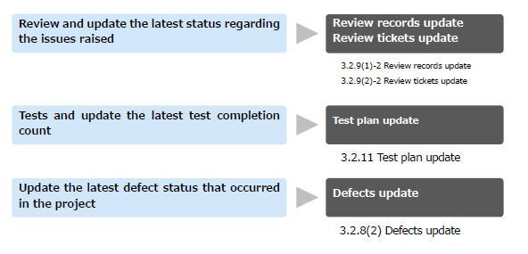
Table of Contents

Developer Work Flow

ServiceNow Log in
 | Refer to 「User guide for new development operations」「2.2.1 Members (Developers)」
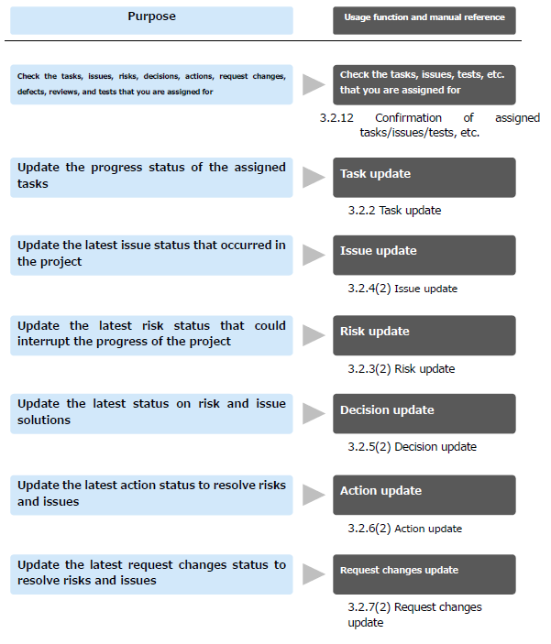

Confirmation of assigned tasks

Ｗork execution

Review record registration
Review ticket registration

Re-review settings

Registration of Defects
Test cycle update

Register issues and QA

Risk registration

Entering timesheets
（１日の作業時間）

Enter task Actual effort

Update of actual scale
Update of actual page

Log in
Table of Contents

Connection to ServiceNow
 | https://fujitsu01.service-now.com/

 |  | Check domain scope first after login
 |  | If you join multiple project, you will be registered in multiple domains (project rooms) in ServiceNow. Please confirm that the domain scope is correct.

1
 |  | method
 |  | 1 | Click on the right.

 |  | 2 | Make sure the "Domain Scope" is correct.
 |  | 3 | If a different domain scope was selected, select the correct domain scope.
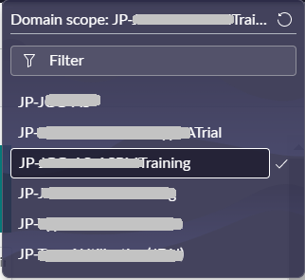
2

3

Confirmation of assigned tasks
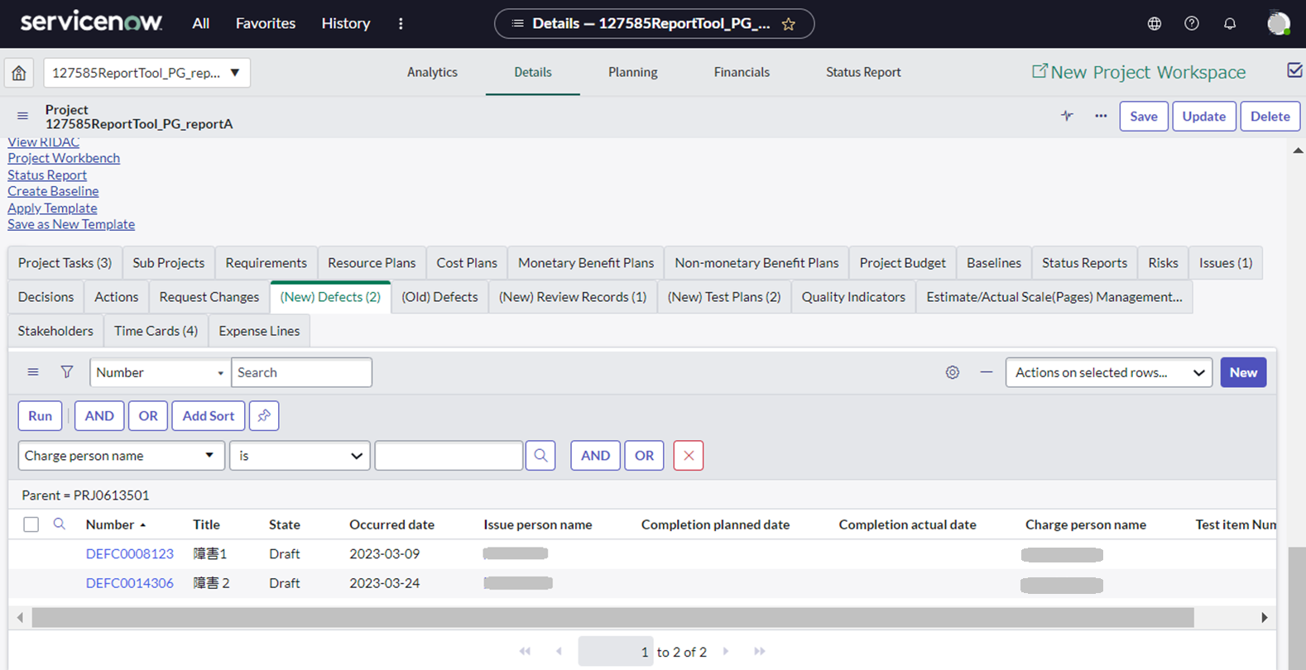
Table of Contents

Task Confirmation

 | (1) Task Confirmation
 | (2) Confirmation of problems (issues and QA) and risks
 | (3) Confirmation of Defects/ Request Changes/ Reviews/ Test plans

(1) Task Confirmation
Check the tasks assigned to you among the registered project tasks
1 | Select the "Analytics" menu on the displayed Project screen.
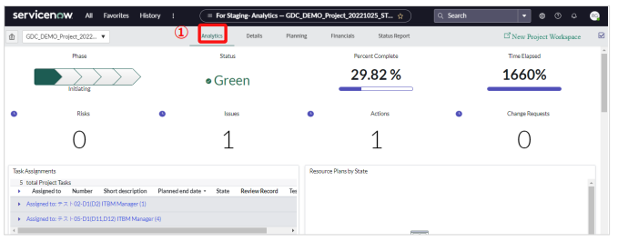
 |  |  | source
 |  |  | ServiceNow_CommonUserGuide_Eng.pdf
 |  |  | 3.2.12 Confirmation of assigned tasks

2 | Select “Group”.
3 | Select yourself from “Assigned to".
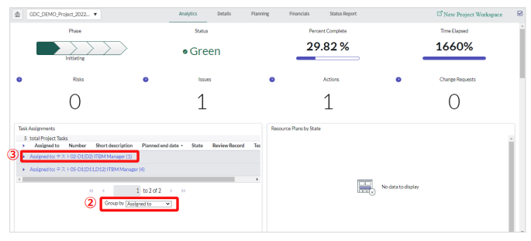

4 | A list of tasks that you are assigned to (“Assigned to” is yourself) will be displayed.
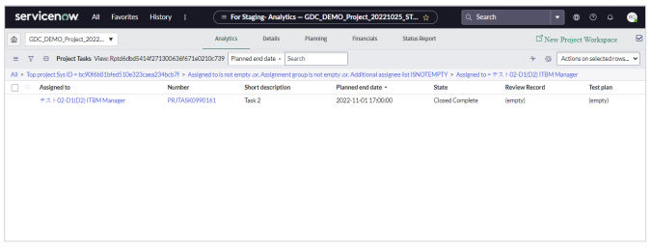

 |  | Add a task assigned to you to your favorites

 | You can add a task that is assigned to you among the registered project tasks to your favorites.
 | 1 | View the list of tasks assigned to you, and click the (List controls) button.
 | 2 | Select “Create Favorite”.
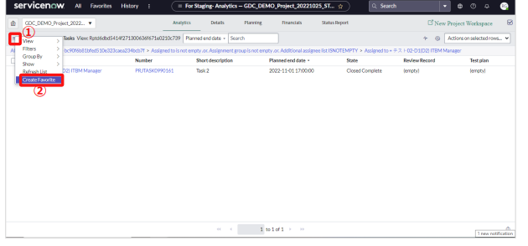

 | 3 | The “Create Favorite” screen will be displayed. Enter a name, select a color, and an icon.
 | 4 | Click the “Save” button.
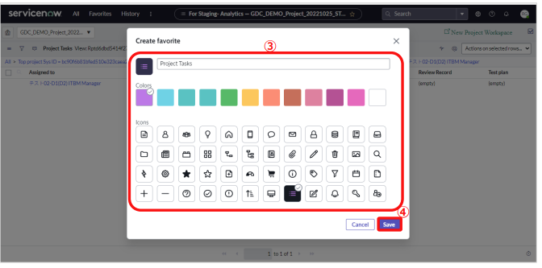

 | 5 | Select “Favorites” from the top menu. The registered contents will be displayed in the favorites list.

 |  | Check tasks on Gantt chart

 | If you select the “Planning” menu, you can check the tasks on the Gantt chart. By displaying the Assigned
 | to and other information, it becomes easier to check the schedule.
 | ■Operation Method
 | The Columns can be customized by selecting the columns that you want to display from the (Show or
 | hide columns in Gantt) button.
 | Select the "Planning" menu on the displayed Project screen → Click the (Show or hide columns in
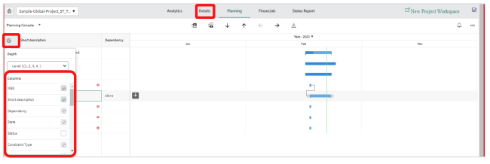
 | Gantt) button →Select the item to be displayed.

 | ■Adjusting the column width
 | If a column is not fully displayed, the column width can be changed.
 | Point the border of the column with the mouse and drag with
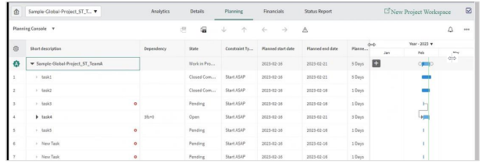

(2) Confirmation of problems (issues and QA) and risks
 | You can search and check the information you are in charge of among the registered problems and risks.
 | ここでは、自分にアサインされた問題を確認する操作を例としますが、リスクも同様の操作で確認できます。

 |  | 問題とリスクはプロジェクト配下ではなくプログラム配下に登録されています。

1 | Select "All" from the top menu.
2 | Enter "program" in the filter of the menu.
3 | Select "All" under "Programs".
1

2

3

4 | Click the number of the appropriate program.

4

5 | Select the Problems tab.
 | ※For risks, select the Risk tab.
6 | Click the (Show/Hide Filters) button.
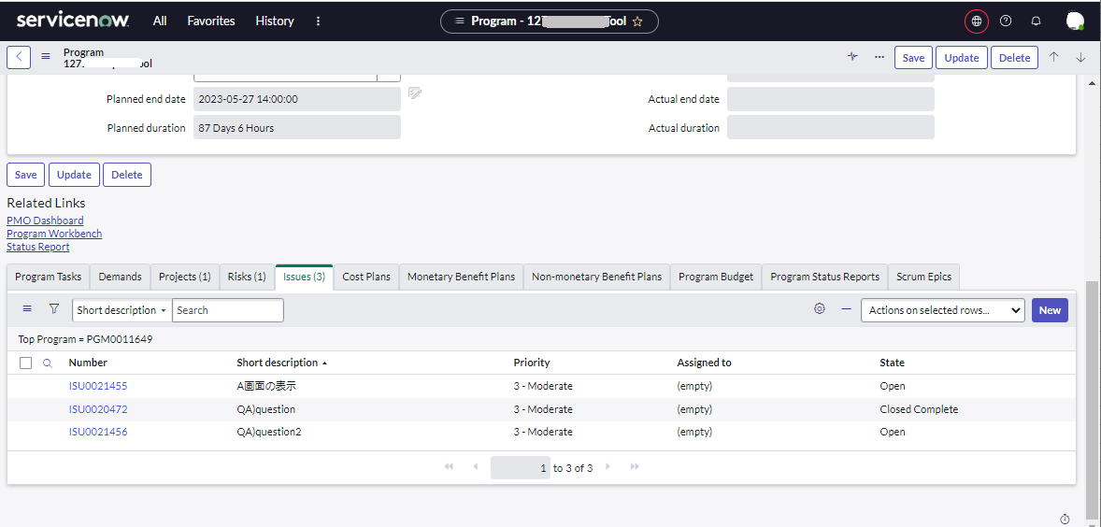

5
6

7 | Select "--Choose Field--" and select the item you want to search.
 | ※Enter "Assigned to.

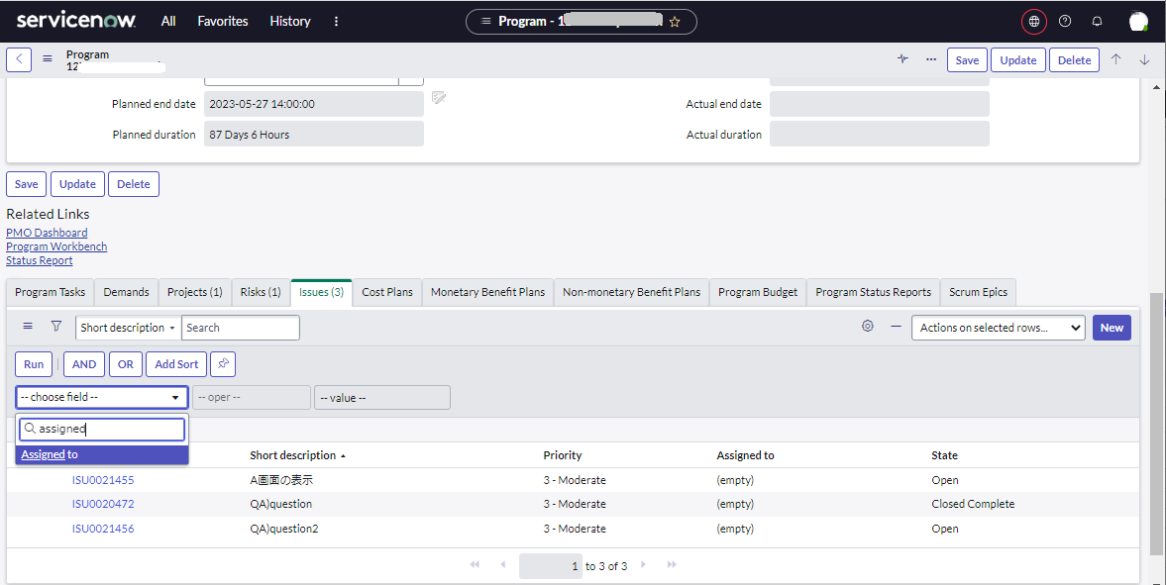

7

8 | Enter search conditions or click the (Browse from list) button and select your name from the list.
9 | Click the "Run" button.
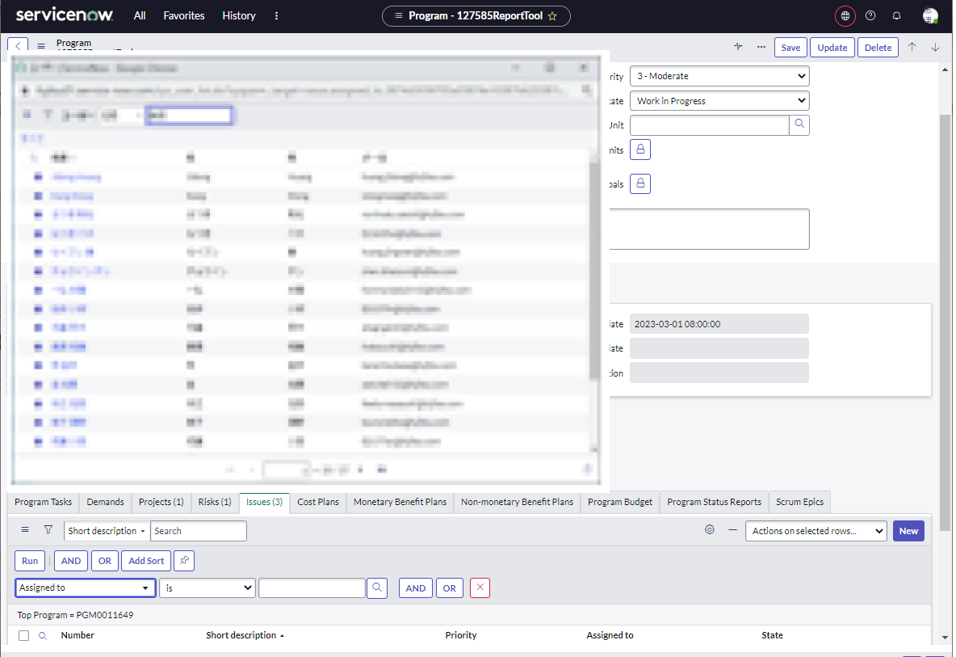

8

9
8

10 | "Assign to" is displayed in the list only for your own issues.
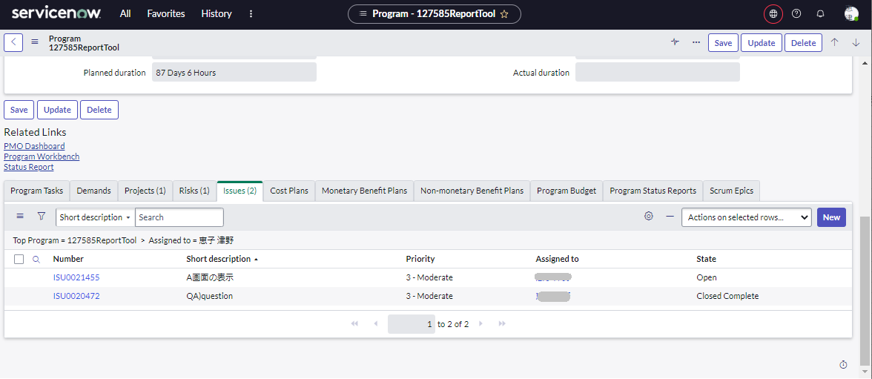

10

(3) Confirmation of Defects/ Request Changes/ Reviews/ Test plans

 | You can search and check the information you are in charge of among the registered Defects.
 | we will use the operation of checking a Defects as an example, but you can also check Request change, Reviews, Test Plans, Decisions, and Actions in the same way.

1 | Display the screen of the project and select the "Details" menu.
2 | Select the "(New) Defects" tab.
 | ※*For Request Changes, select the appropriate tab, such as the "Change Request" tab.
3 | Click the (Show/Hide Filters) button.
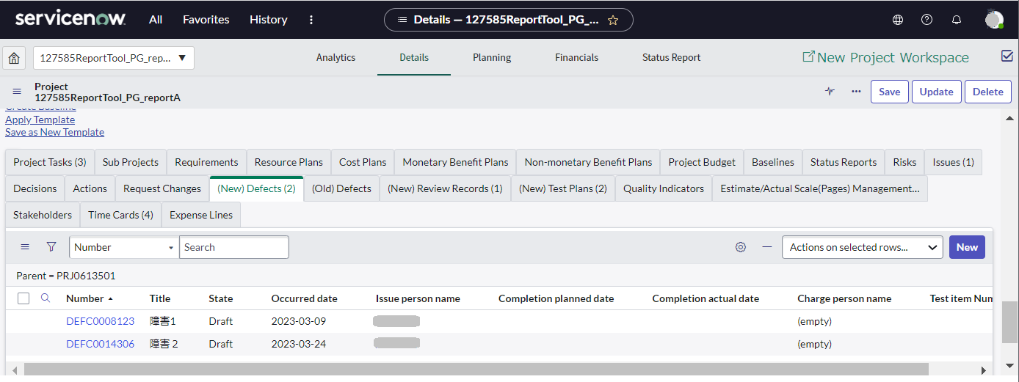
1

2
3

4 | Select "--Select Field--" and select the item you want to search.
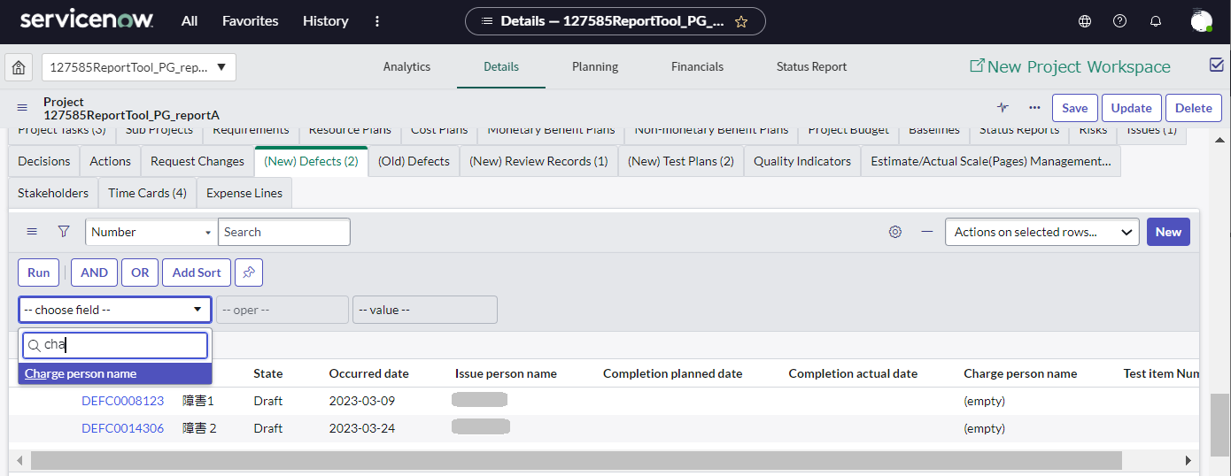

4

5 | Enter search conditions or click the (Browse from list) button and select your name from the list.
6 | Click the "Run" button.
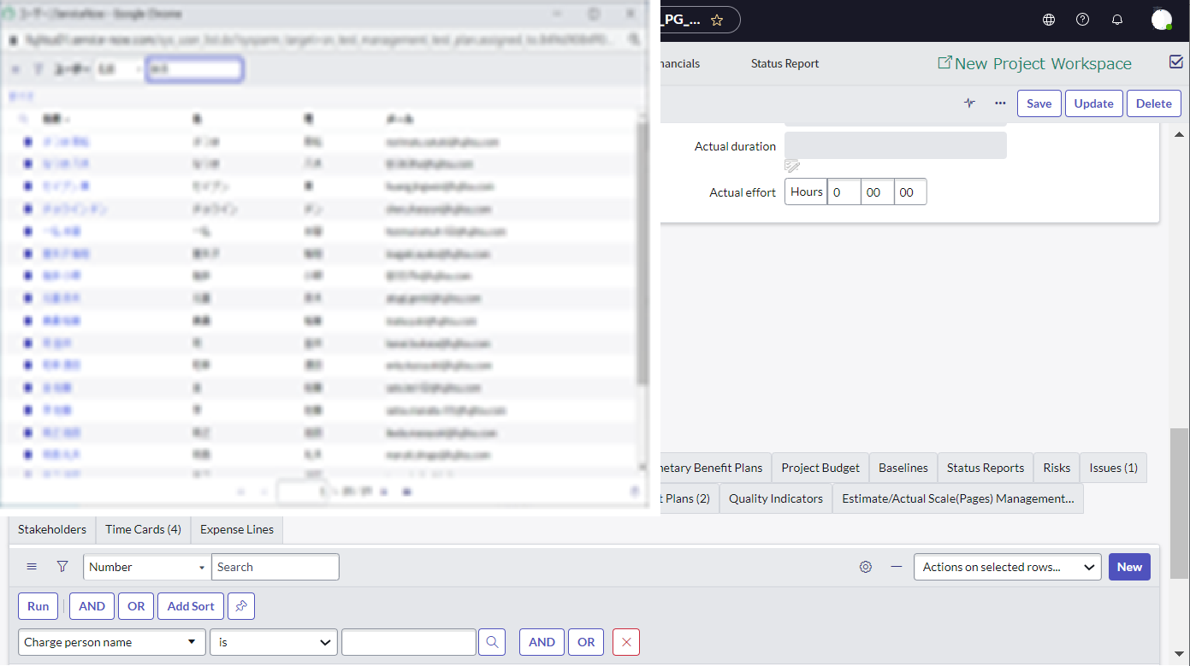

5

6
5

7 | "Charge person name" will only see their own issues in the list.

Entering timesheets
Table of Contents

Entering timesheets (entering working hours per day)
Open the Timesheet Portal and enter a breakdown of your working hours for the day.

 |  | "Timesheets" and "Actual effort" for project tasks
 |  | In the ServiceNow, the specifications are such that the time entered in the timesheet (timecard) cannot
 |  | be aggregated and reflected in the actual effort.
 |  | Please register the breakdown of working hours per day in the timesheet. It will replace the daily report of Excel.
 |  | Please register the total time taken to execute the task in the "actual effort" of the project task.

1 | Select "All" from the top menu.
2 | Enter "Time Sheet" in the filter in the menu. |  | Timesheet
3 | Select Timesheet Portal. |  | Short description | Sun | Mon | Tue | Wed | Thu | Fri | Sat
 |  |  | Test run |  | 6 | 6 | 6 | 6 | 6
 | Click the ☆ mark to the right of "Timesheet Portal" to add "Timesheet Portal" to your "Favorites". |  | Meeting |  | 2 | 2 | 2 | 2 | 2
1
 | From the next time, you will be able to select from "Favorites".

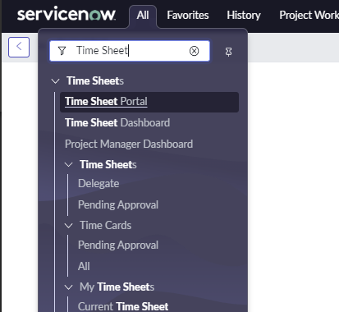
2

3

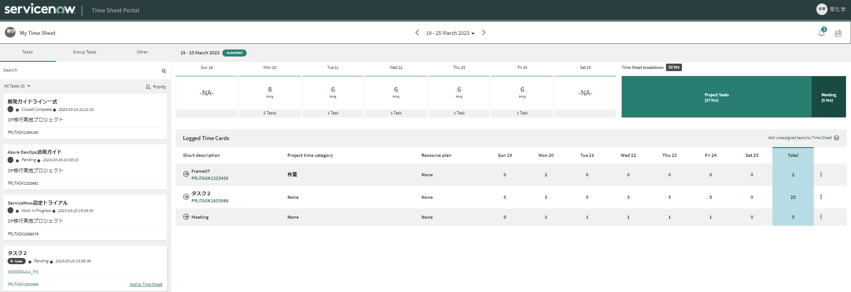
4 | When you move the mouse pointer to the task for which you want to register working hours on the "Tasks" tab, "Add to timesheet" is displayed.
 | Click Add to Timesheet. A task timecard (one line) is added to the timesheet.

4

5 | Double-click the number on the timecard and enter the actual hours.

5

6 | Click the "Other" tab to enter work hours other than tasks.
7 | "Add to timesheet" appears when you move the mouse pointer to "Admin", "Meeting", "Training", etc.
 | Click Add to Timesheet. A timecard is added to the list.

6
7

8 | Double-click the number on the timecard, then enter actual hours.

8

 |  | Click on the dates at the top to navigate to the previous or next week's timesheet.

Enter task Actual effort
Table of Contents

Enter task status/Percent complete/Actual effort
This section explains how to enter task status/Percent complete/Actual effort for tasks.

 |  |  | PT Task
 |  | Actual results are entered from the "Project Task" screen. | Short description | test run | Test result review
 |  | There are multiple ways to display the Project Tasks screen. | Actual start date | 2023-06-01 | 2023-06-13
 |  | Here's how to view it in Classic Planning Console. | Actual end date | 2023-06-09 | 2023-06-16
 |  | If the display is as shown below, click "Classic Planning Console" to switch the screen. | State | Closed Complete | Closed Complete
 |  |  | Actual effort | 56H | 28H

1
1 | From the project screen, select the Analytics menu.

2 | Select "Assignment Group" from the list.
3 | Select "Assign to" from the list.
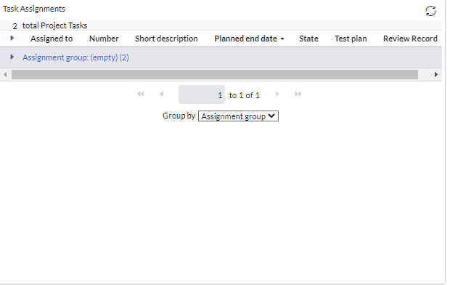

3
2

4 | Click the task you want to update from the list.

4

 | The Project Tasks screen will be displayed.
5 | Select the status from "state".
6 | Enter the percentage complete in Percent Complete.
 |  | For how to set the completion rate, please refer to "Completion rate concept" in "TypeA project management agreement".

7 | Click Save.
 | Be sure to click "Save" to confirm the "Status" and "Percent Complete" entries before proceeding to the next step.
7

5

8 | (Only when work is delayed) Click the "Notes" tab and enter the reason for the
 | work delay in the Additional Comments field.
9 | (Only when work is delayed) Click ”Post” .
10
10 | Click the "Save" button.

8
9

11 | (When the task is completed) Select the ”Dates” tab.
12 | (When the task is completed) Enter the total amount of time worked for this task in Actual efforts.
 |  | If the task has a hierarchy, you cannot enter Actual effort for the parent task. The sum of the Actual effort of the child tasks becomes the
 |  | Actual effort of the parent task.
 |  | For tasks that took multiple days, the total work time for each day is recorded in "Actual effort".
 |  | If "Actual effort" is grayed out and cannot be entered, you need to change "Update actual effort from timecards" to "No" in the "Settings" tab of the
 |  | project screen.

13 | Click "Update".
11

12

13

Update of actual scale (Page)
Table of Contents
 |  |  | ServiceNow_CommonUserGuide_Eng.pdf
Update of actual scale (Page) |  |  | 3.2.1 Confirmation of assigned tasks

1 | View the project screen and select the "Details" menu.
2 | Select the “Estimate/Actual scale (Page) management” tab.
3 | Select the Namber of estimated size (Page) to be updated.
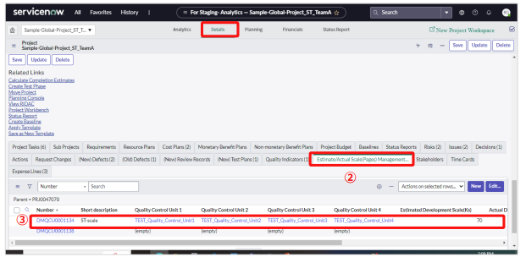
 |  |  |  | PT
 |  |  |  | Short description | User registration
 |  |  |  | Actual Development Scale(Ks) | 1.2

4 | Enter “Actual development scale (Ks)” and “Number of actual document page”.
5 | Click the “Update” button.
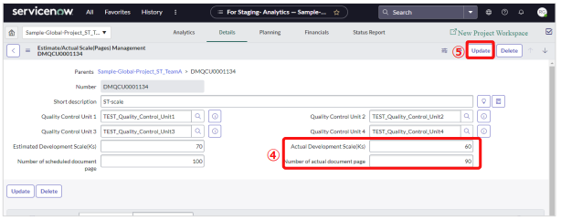

 |  | Each value can also be entered by double-clicking the item.
 |  | After completing the input, click

Review record registration
Table of Contents

Review record registration
Register the review records of documents or source codes that were reviewed during the project operation. |  |  | (New) Review Records
 |  |  | Short description | User registration source code review_yourname
1 | Select the "Details" menu on the displayed Project screen. |  | Status | Implemented
2 | Select the "(New) Review Records" tab. |  | Review Date | 2023-04-21
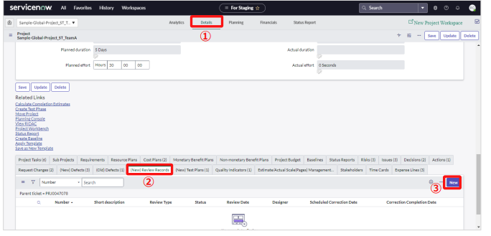
3 | Click the "New" button. |  | Review time (H) | 2H
 |  |  | Review Man-hours (Person/Hour) | 4H
 |  |  | Item Review Target | Source code
 |  |  | Item Name to be Reviewed | Source code
 |  |  | Review of pages (Pages) | 30
 |  |  | Review type | 2.Internal Review
 |  |  | Designer | yourname
 |  |  | Design company | Fujitsu
 |  |  | Reviewer・Reviewee・Approver | yourname
 |  |  | Approval Da | 2023-04-21
 |  |  | Quality Control Unit 1 | yournameProject
 |  |  | Quality Control Unit 2 | yourname_business
 |  |  | Quality Control Unit 3 | yourname_User registration

4 | The "Review Record" screen will be displayed. Enter the relevant items.

 | Item Name | Contents
 | Short description | describe it so that it is easy to distinguish.
 | Description | Enter the summary of the review record.
 | Status | When all review tickets linked to the review record have been corrected, confirmed, and approved, select "Implemented" from the drop-down menu.
 | Work Stages | Select the work stages to be reviewed from the record.
 | Review Date | Enter the date (Actual) on which the review was held.
 | Review time (H) | Enter the actual time that the review was conducted. Do not include time spent other than review (e.g., Explanation of plan, Specification review etc.).
 | Review Man-hours (Person/Hour) | Enter the figure calculated from "Review time (H) x actual number of reviewers"
 | Review of pages (Pages)) | Enter the number of pages of the document to be reviewed. If you are reviewing a part of the document, enter the corresponding page count.
 | Review of scale (Ks) | Enter the scale of development (Ks) to be reviewed. If you are reviewing a part of it, enter the corresponding development scale (Ks). *Do not include comments on the source.
 | Review type | 1.Peer Review 2.Internal Review 3.Customer Review 4. Internal Review (Circulate) 5.Customer Review (Circulate) The above options cannot be updated or deleted. However, the PM can add new options.
 | Designer | If the document was designed by multiple people, select the primary person in charge.
 | Design company | Select the company that the designer belongs to.
 | Quality Control Unit 1 | Select the appropriate one from the options set in advance in "Register quality control unit". If you are unsure of the quality control unit, please consult to PM.
 | Quality Control Unit 2
 | Quality Control Unit 3
 | Quality Control Unit 4
 | * For detailed explanations of each item other than the above, please refer to the "Usage Guidelines" and "5.1.14 Review Records" on the DP site.

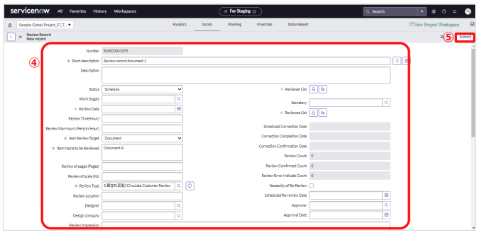
5 | Click "Submit" button.

Review ticket registration
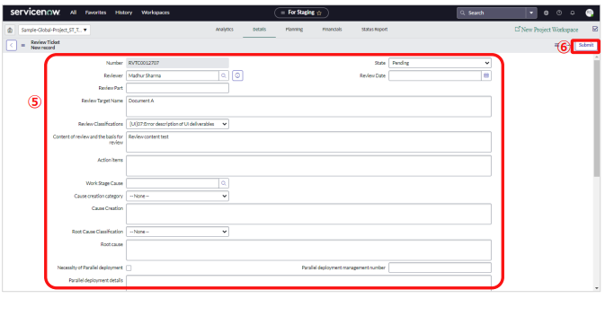
Table of Contents

Review ticket registration
Register, update, and manage project review tickets.
Based on the information registered here, the quality status ticket will be registered per review indication. |  |  |  | Closed complete | Closed complete
 |  | What is the difference between "Review record" and "Review ticket"? |  | Review Part | Source code
 |  |  |  | Review Target Name | Source code
 |  | （１）Review record |  | Review Classifications | [PG]43:SQL statement issues
 |  |  | ・This is a function to record review implementation information. | Content of review and the basis for review | SQL statement issues
 |  |  | ・Register the review process, items to be reviewed, number of pages to be reviewed/scale, etc. | Action items | Correction of SQL statements
 |  | （２）Review ticket |  | Work Stage Cause | 08_PG
 |  |  | ・It is a function to record the contents pointed out in the review. | Cause creation category | [RD]51:Lack of investigation in current process
 |  |  | ・Register one review ticket for each item pointed out in a review. | Cause creation | Lack of investigation in current process
 |  |  | ・The review slip is registered under the review record. | Root Cause Classification | [RD-SS]01:Inadequate communication
 |  |  |  | Root Cause | Inadequate communication
1 | Select the "Details" menu on the displayed Project screen. |  |  | Corrector・Correction Reviewer | yourname
2 | Select the "(New) Review Records" tab. |  |  | **Date | 2023-04-21
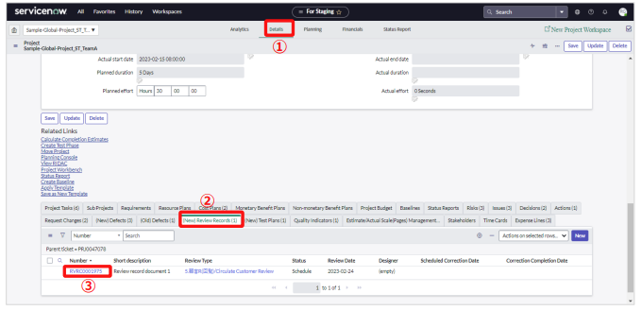
3 | Click on the appropriate review record.

4 | The "Review Record" screen will be displayed. Click the "New" button from the list of review tickets.
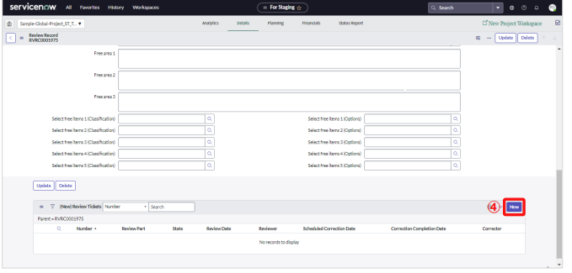

5 | The "Review ticket" screen will be displayed. Enter the relevant items.

 | Item Name |  | Contents
 | Reviewer |  | Select an Reviewer.
 | State |  | Select a status. Those with a status of completed are aggregated on the dashboard.
 | Cause Creation |  | Select from the pulldown. Review vote information is aggregated and visualized on the dashboard.
 | Work Stage Cause
 | Cause creation category
 | Root Cause category
 | ※For more details on input items, refer to "5.1.15 Review Tickets" input procedure.
 | ※The options for each classification are "(1) Indication classification", "(2) Work-in cause classification",
 | (3) Root cause classification, and "(4) Classification selection" in "Usage guidelines", "5.2.1 Review sheet" on the DP side

6 | Click the "Submit" button.

Re-review settings
Table of Contents

Re-review settings
If a re-review becomes necessary, check the "Necessity of Re-Review" box and create a project task and review record for the re-review.

1 | Select the number of review records to be re-reviewed

1

3
2 | Check "Necessity of Re-Review" and enter the "Scheduled Re-review Date".
3 | Click "Update" button.
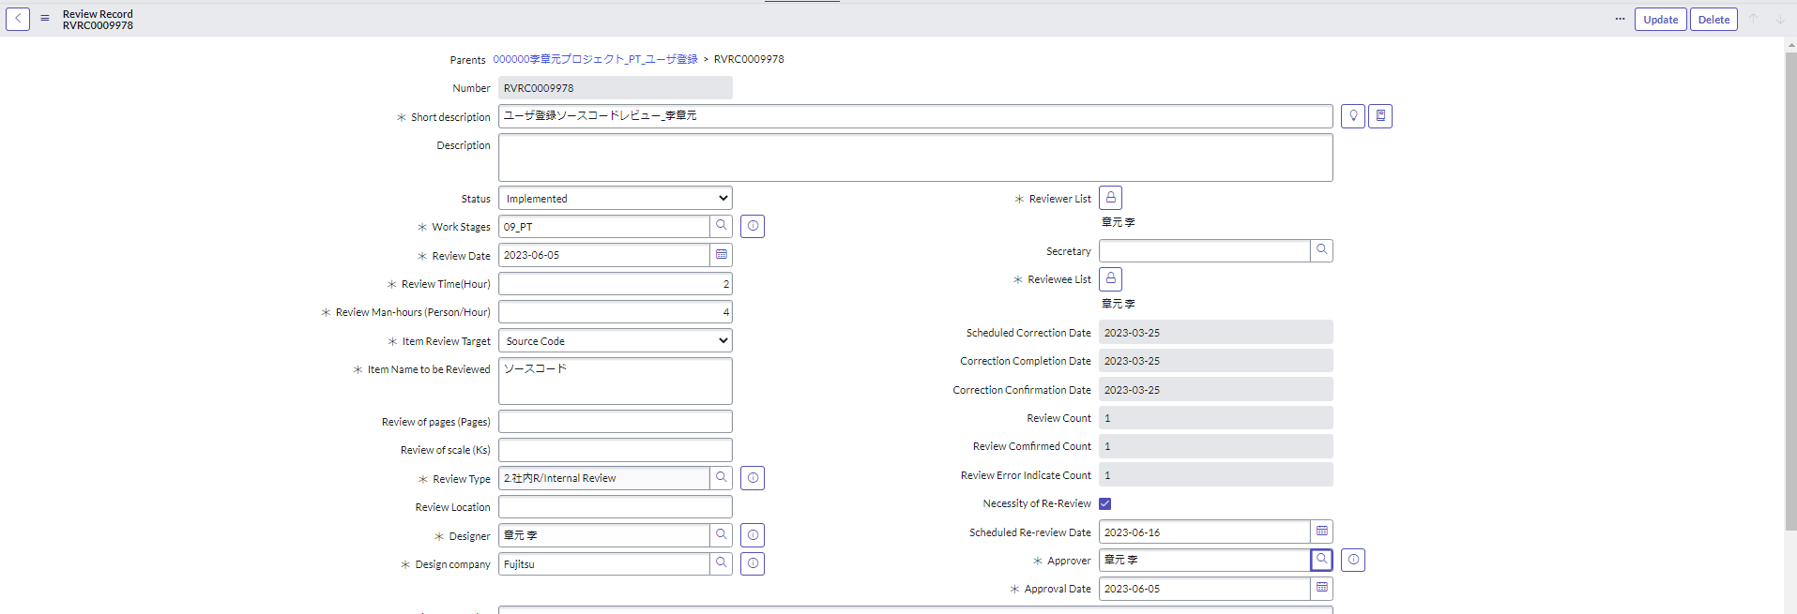

2

Create a review record for re-review

1 | Create a review record for re-review.
 | For the operation method, refer to the "Review record registration" sheet.

Create project tasks for re-review
Consalt to your PM about creating project tasks.
For the operation method, please refer to the "ServiceNow Utilization Guide (PM Edition)" "Registration of task for re-review" sheet.

Registration of Defects
Table of Contents

Registration/renewal of Defects
Register, update, and manage failure information that occurs during project operation.
Management information for trouble tickets is entered by the issue Person, charge person, and approver for the verification.

 |  | Recommended to register the Defects with <result registration tool (test specifications and results, PT Defects)>. |  | (New) Defects
 |  | ■result registrations tool |  | Title | User registration test failure 1
 |  |  |  | **Date | 2023-06-01
 |  |  | *As of March 22, 2023, only the Japanese version is provided. | Occurred process | PT
 |  |  |  | Issue person name Charge person name Approver for the verification | yourname
 |  |  |  | Quality Control Unit 1 | yournameProject
This section describes how to register a Defects from the ServiceNow screen. |  |  |  | Quality Control Unit 2 | yourname_business
 |  |  |  | Quality Control Unit 3 | yourname_User registration
（1）Registration/renewal of Defects（Entry by issue Person）
The person in charge of issuing registers information about problems that occurred during project operation. |  |  |  | Input by issue Person Tab
 |  |  |  | Test item Number | 1
1 | Display the screen of the project and select the "Details" menu.
2 | Select the "(New) Defects" tab.
1
3 | Click the "New" button. |  |  | Input by charge person
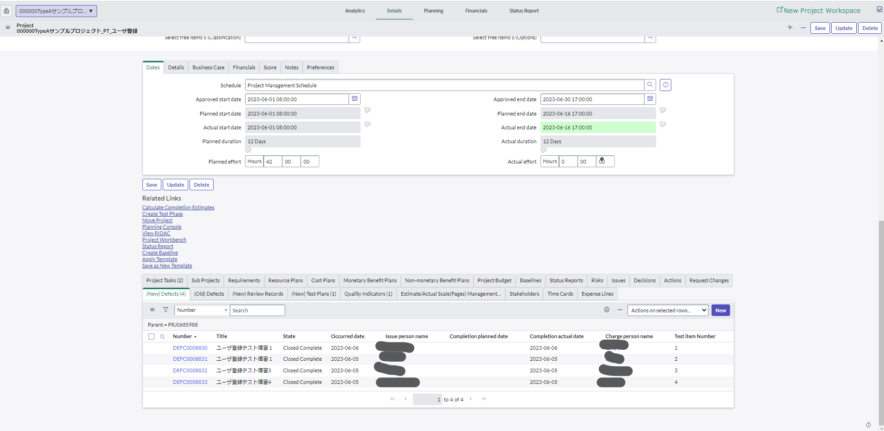
 |  |  |  | Review classification | 43:SQL statement issues
 |  |  |  | Cause creation category | 17:Omission at PG
 |  |  |  | Cause creation | Omission at PG
 |  |  |  | Development company | Fujitsu
 |  |  |  | Development person name | yourname
 |  |  |  | Cause process | 08_PG
 |  |  |  | Action category | Fault handing
 |  |  |  | Action catents | Fault handing
 |  |  |  | Root cause category | 11:Lack of programming skills
2
3
 |  |  |  | Root cause | Lack of programming skills
 |  |  |  | Detect process | 09_PT
 |  |  |  | Document file name to be corrected | none
 |  |  |  | Object to be corrected | SQL

4 | The Defect screen appears. Select the "Input by issue Person" tab.
5 | Enter the appropriate entries.
 | Item name |  | Contents
 | Related defect list number |  | In the case of a trouble ticket issued by horizontal expansion of other troubles, enter the corresponding trouble ticket number.
 | Title |  | Disability title
 | Occurred process |  | Select the target test process from the record.
 | Occurred process |  | Select from options registered by PM in advance. If you are unsure of your options, please consult your PM.
 | Occurred process |  | Enter the failed environment.
 | Quality Control Unit 1 |  | Select the appropriate one from the options set in advance in "Register quality control unit". If you're unsure of your options, consult to your PM.
 | Quality Control Unit 2
 | Quality Control Unit 3
 | Quality Control Unit 4
 | *For explanations and input examples of input items other than the above, please refer to "Usage Guidelines" and "5.1.13 Problem Form" on the DP site.
 | *The options for each category are "(1) Review classification", "(2) Cause creation category", "(3) Root cause classification",
 | and "(4) Classification selection patterns" in "Usage guidelines", "5.2.2 Defects" on the DP site. See Selection Patterns.
6 | Click "Submit" button.
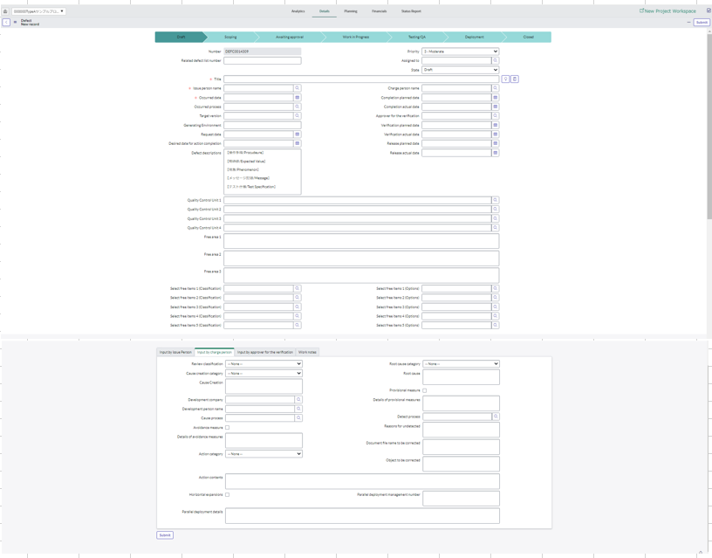
6

5

(2) Updating the Defects (Input by charge person)
Update a pre-registered Defects. The tabs to operate differ depending on the role.

1 | Display the screen of the project and select the "Details" menu.
2 | Select the "(New) Defects" tab.
3 | Select a search item and enter a search key.
1
4 | Click the corresponding number of the Defects.

3
2

4

5 | Select the ”Input by charge person” tab.
6 | Enter the applicable items.
 | Select or enter "Review classification","Root cause classification","Cause creation category","Detect process" Defects information is aggregated and visualized on the dashboard.
 | Please refer to "Usage Guidelines" and "5.1.13 Defects" on the DP site for explanations of input items.
 | *The options for each category are "(1) Review classification", "(2) Cause creation category", "(3) Root cause classification",
 | and "(4) Classification selection patterns" in "Usage guidelines", "5.2.2 Defects" on the DP site. See Selection Patterns.

7 | Click the "Update" button.
5
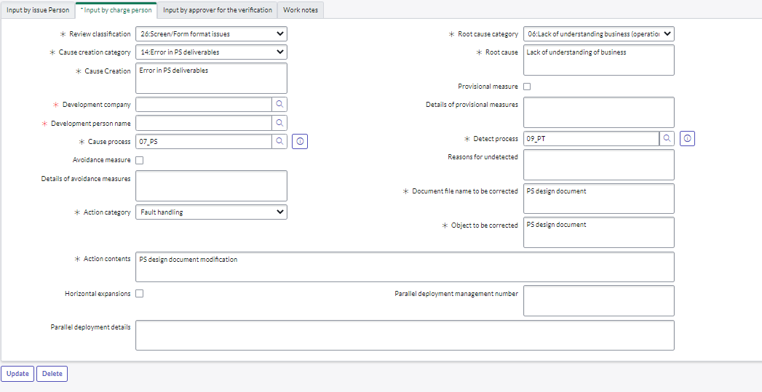
6

7

（3）Updating the Defects (Input by approver for the verification)

1 | Display the screen of the project and select the "Details" menu.
2 | Select the "(New) Defects" tab.
3 | Select a search item and enter a search key.
1
4 | Click the corresponding number of the Defects.

3
2

4

5 | If there is no problem as a result of verification, enter the "Verification actual date".
6 | If there is a problem and you want to remand, select the "Input by approver for the verification" tab.
7 | Enter the "Reason for remand ".
8 | Click the "Update" button.
6

7

8

Test cycle update

Table of Contents |  |  |  | source
 |  |  |  | ServiceNow_CommonUserGuide_Eng.pdf
Test cycle update |  |  |  | 3.2.11 Test plan update (2) Test cycle update
Register the number of ctest performed actual items in "Test Cycle". Test cycles are under Test Plan.

 |  | Recommended to register the Defects with <result registration tool (test specifications and results, PT Defects)>.
 |  | ■result registrations tool

 |  |  | *As of March 22, 2023, only the Japanese version is provided.

This section describes how to register a test cycle from the ServiceNow screen.

1 | Select the "Details" menu on the displayed Project screen.
2 | Select the "(New) Test Plans" tab.
3 | Click the number of relevant test plan.
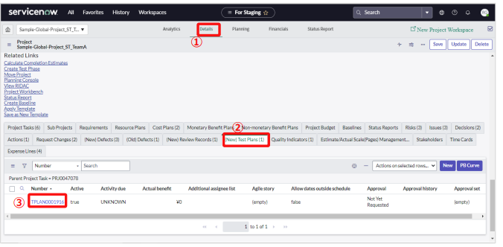
 |  |  |  |  | Test cycle
 |  |  |  |  | Test plan | User registration test plan_yourname | User registration test plan_yourname | User registration test plan_yourname
 |  |  |  |  | Name | testA | testB | testC
 |  |  |  |  | Number of test performed actual | 20 | 20 | 20
 |  |  |  |  | Number of failures detected actual | 0 | 1 | 0
 |  |  |  |  | State | Closed complete | Closed complete | Closed complete

4 | The "Test plan" screen will be displayed. Click the relevant test cycle from the test cycles list.
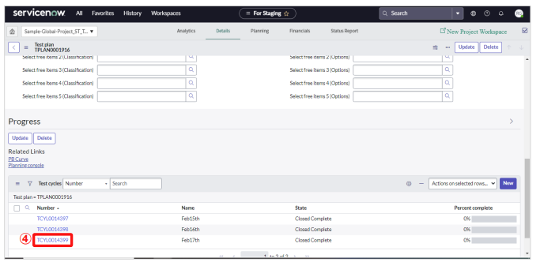

5 | The "Test Cycle" screen will be displayed. Enter the relevant items.

 | Item Name |  | Contents
 | Number of test performed actual |  | Enter achievements. If the total value of “Number of tests performed actual” (Total number of tests performed) exceeds the “Total number of test items” (Total planned number of tests) registered in the test plan, update the “Total number of test items” to match the total number of tests performed.
 | Number of failures detected actual |  | Enter achievements.
 | Test Date |  | Even if the planned date entered in advance in “Test Date” differs from the actual implementation date, do not change the date to the planned date (The PB curve on the dashboard will not be displayed correctly if the “Test Date” date overlaps with the another test cycle).

6 | Click the “Update” button.
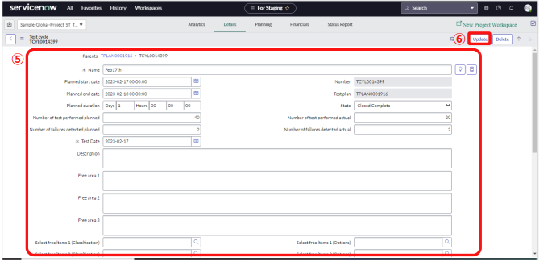

 |  | Reflection of Tests on the PB Curve
 |  | To reflect the entered test information to the PB curve on the dashboard, do the following operations

 | 1 | Select the “(New) Test Plans” tab
 | 2 | Click

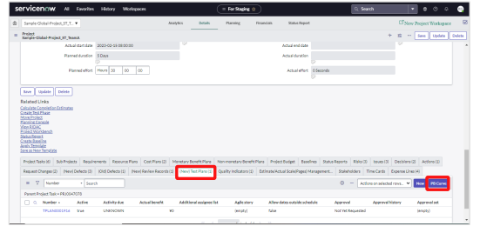

 |  | Display example of "Quality (test)" tab - "■ Test completion status/Failure detection status" on the dashboard

Register issues and QA
Table of Contents

Register issues and QA
Register QA and issues in the "Issues" tab directly under the program.

1
1 | Select "All" from the top menu.
2 | Enter "Programs" in the filter of the menu.
3 | Select "Create New" under "Programs".
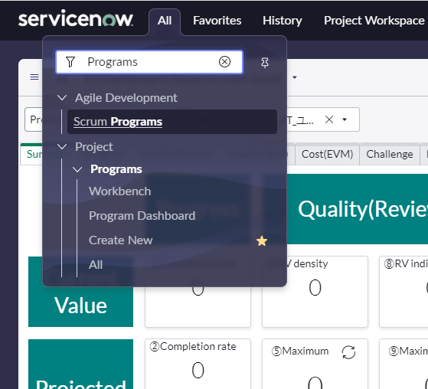
2

3

4 | Click the appropriate program.

 |  |  | If you see more than one program, you can filter.
 |  | a | Click

a

 |  | ｂ | Set filter conditions.
 |  | ｃ | Click"Run"
c

b

4

5 | Select the Issues tab.
6 | To register a new issue or QA, click the "New" button. To update an issue or QA, click the number.

5

6

7 | The "Issue" screen appears. Enter the applicable items.
 | Item Name |  | Contents
 | Short description |  | In the case of QA, please write "QA)" at the beginning of the "summary explanation". If you have a issue, please write it as it is. Example QA：QA) question... Issue : ABC screen…
 | State |  | Select "Work in Progress" when you start responding to QA. Depending on the closing status when the correspondence is closed, select either "Closed complete", "Closed Incomplete", or "Closed Skipped"
 | Reported by GDC |  | If the originator is a GDC, check "Reported by GDC".
 | Select free item 1 (classification) |  | Specify "工程/Work_Stages" for "Select free item 1 (classification)".
 | Select free item 1 (Options) |  | Select applicable process.

11
8 | If the originator is a GDC, check "Reported by GDC".
9 | Specify "Process/Work_Stages" for "Select free item 1 (classification)".
10 | Specify the process corresponding to "Select free item 1 (Options)".
11 | Click the "Submit" button to create a new one. To update, click the "Update" button.
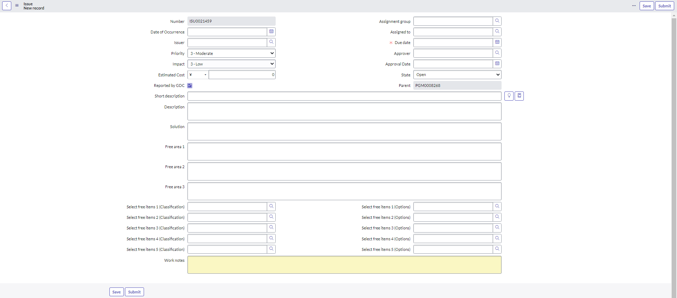
 |  |  |  | ※新規作成のとき

7
 |  |  |  |  | ※更新のとき
8

9
10

Risk registration
Table of Contents

Risk registration
Register Risks in the "Risks" tab directly under the program.

1
1 | Select "All" from the top menu.
2 | Enter "Programs" in the filter of the menu.
3 | Select "All" under "Programs".

2

3

4 | Click the appropriate program.

 |  |  | If you see more than one program, you can filter.
 |  | a | Click

a

 |  | ｂ | Set filter conditions.
 |  | ｃ | Click"Run"
c

b

4

5 | Select the ”Risks” tab.
6 | To register a new Risk, click the "New" button. To update an risk, click the number.

5
6

7 | The "Risk" screen appears. Enter the applicable items.
8 | Click the "Submit" button to create a new one. To update, click the "Update" button.
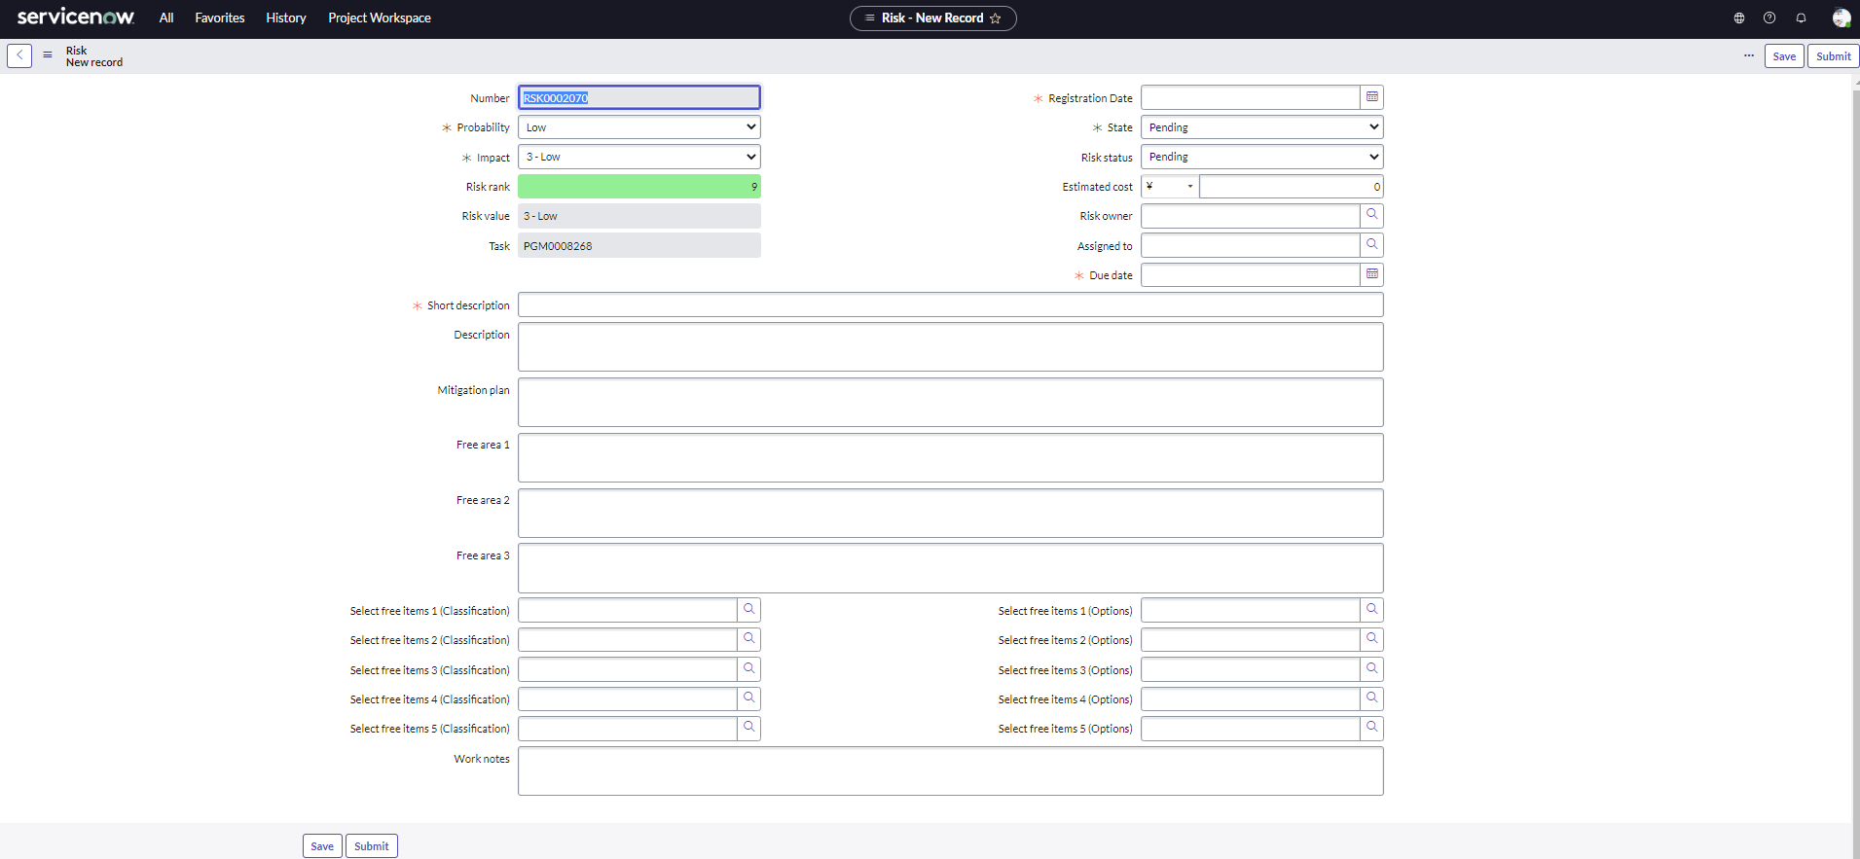
8
7

